Sheet1
 |  |  |  |  |  |  | FOB TUTICURIN
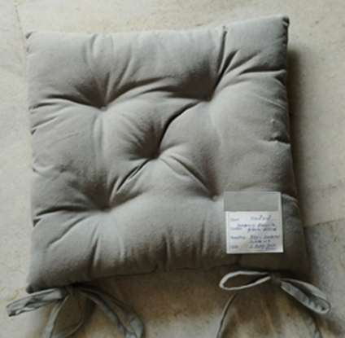 | 38X38 CM | RECYCLE FABRIC | FILLING 300 GRAMS FIBRE | WT/PC 400 GRAMS APPROX | PER CARTON 12 PCS | 30000 PCS
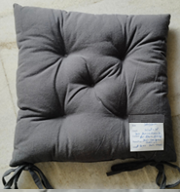 | 38X38 CM | RECYCLE FABRIC | FILLING 300 GRAMS FIBRE | WT/PC 400 GRAMS APPROX | PER CARTON 12 PCS | 30000 PCS

